Main
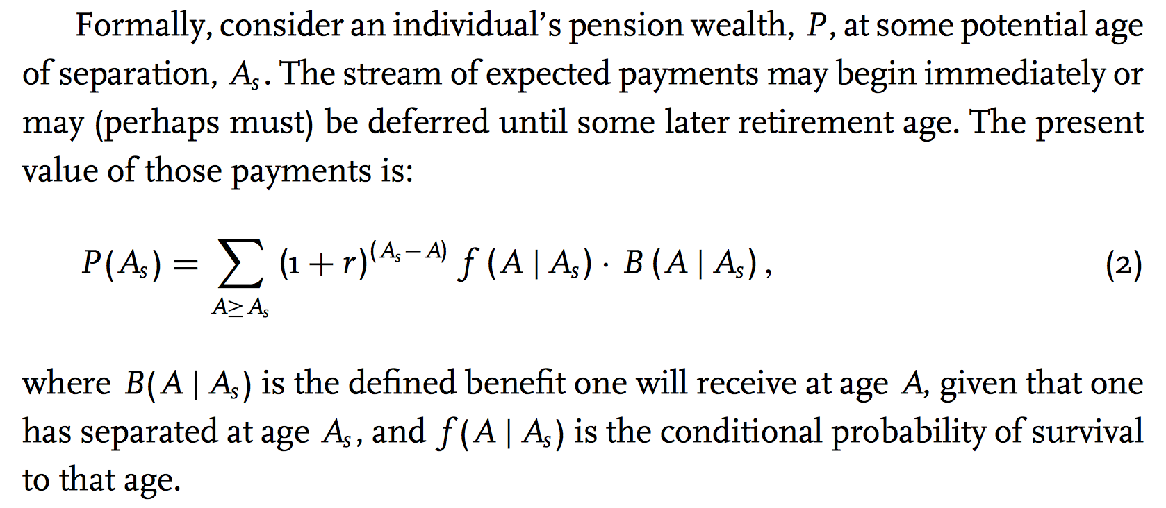
Main Parameters | Variable | Value | Age | YOS | Merit & Promotional Increases |  | ER DC Contribution | EE DC Contribution | DC Balance (ER Only) | Vested DC Balance (Adjusted for Inflation) | DC Balance (EE Only) | Total Vested DC Balance (Adjusted for Inflation) | ER DC Contribution | EE DC Contribution | DC Balance (ER Only) | Vested DC Balance (Adjusted for Inflation) | DC Balance (EE Only) | Total Vested DC Balance (Adjusted for Inflation) | ER DC Contribution | EE DC Contribution | DC Balance (ER Only) | Vested DC Balance (Adjusted for Inflation) | DC Balance (EE Only) | Total Vested DC Balance (Adjusted for Inflation)
Survival Model |  | Plan | 25 | 0 | 7.00% |  | #REF! | #REF! | #REF! | #REF! | #REF! | #REF! | #REF! | #REF! | #REF! | #REF! | #REF! | #REF! | #REF! | #REF! | #REF! | #REF! | #REF! | #REF!
ARR/DR | ARR | 7.00% | 26 | 1 | 3.50% |  | #REF! | #REF! | #REF! | #REF! | #REF! | #REF! | #REF! | #REF! | #REF! | #REF! | #REF! | #REF! | #REF! | #REF! | #REF! | #REF! | #REF! | #REF!
Assumed Price Inflation | assum_infl | 2.30% | 27 | 2 | 2.75% |  | #REF! | #REF! | #REF! | #REF! | #REF! | #REF! | #REF! | #REF! | #REF! | #REF! | #REF! | #REF! | #REF! | #REF! | #REF! | #REF! | #REF! | #REF!
Payroll Growth Rate (Basic) | payroll_growth | 2.60% | 28 | 3 | 2.25% |  | #REF! | #REF! | #REF! | #REF! | #REF! | #REF! | #REF! | #REF! | #REF! | #REF! | #REF! | #REF! | #REF! | #REF! | #REF! | #REF! | #REF! | #REF!
Salary Increase (Wage Inflation) | salary_growth | 3.00% | 29 | 4 | 1.75% |  | #REF! | #REF! | #REF! | #REF! | #REF! | #REF! | #REF! | #REF! | #REF! | #REF! | #REF! | #REF! | #REF! | #REF! | #REF! | #REF! | #REF! | #REF!
Vesting (years) | Vesting | 5 | 30 | 5 | 1.50% |  | #REF! | #REF! | #REF! | #REF! | #REF! | #REF! | #REF! | #REF! | #REF! | #REF! | #REF! | #REF! | #REF! | #REF! | #REF! | #REF! | #REF! | #REF!
Hiring Age | HiringAge | 25 | 31 | 6 | 1.25% |  | #REF! | #REF! | #REF! | #REF! | #REF! | #REF! | #REF! | #REF! | #REF! | #REF! | #REF! | #REF! | #REF! | #REF! | #REF! | #REF! | #REF! | #REF!
Reduced Retirement Age | ReduceRetAge | 80 | 32 | 7 | 1.00% |  | #REF! | #REF! | #REF! | #REF! | #REF! | #REF! | #REF! | #REF! | #REF! | #REF! | #REF! | #REF! | #REF! | #REF! | #REF! | #REF! | #REF! | #REF!
Reduced Retirement YOS | ReduceRetYOS | 5 | 33 | 8 | 0.75% |  | #REF! | #REF! | #REF! | #REF! | #REF! | #REF! | #REF! | #REF! | #REF! | #REF! | #REF! | #REF! | #REF! | #REF! | #REF! | #REF! | #REF! | #REF!
Early Retirement Rule of | EarlyRetRule | 80 | 34 | 9 | 0.50% |  | #REF! | #REF! | #REF! | #REF! | #REF! | #REF! | #REF! | #REF! | #REF! | #REF! | #REF! | #REF! | #REF! | #REF! | #REF! | #REF! | #REF! | #REF!
Early Retirement Rule Min Age |  |  | 35 | 10 | 0.25% |  | #REF! | #REF! | #REF! | #REF! | #REF! | #REF! | #REF! | #REF! | #REF! | #REF! | #REF! | #REF! | #REF! | #REF! | #REF! | #REF! | #REF! | #REF!
Normal Retirement Age I | NormalRetAgeI | 67 | 36 | 11 | 0.25% |  | #REF! | #REF! | #REF! | #REF! | #REF! | #REF! | #REF! | #REF! | #REF! | #REF! | #REF! | #REF! | #REF! | #REF! | #REF! | #REF! | #REF! | #REF!
Normal Retirement YOS I | NormalYOSI | 5 | 37 | 12 | 0.25% |  | #REF! | #REF! | #REF! | #REF! | #REF! | #REF! | #REF! | #REF! | #REF! | #REF! | #REF! | #REF! | #REF! | #REF! | #REF! | #REF! | #REF! | #REF!
Normal Retirement Age II | NormalRetAgeII | 58 | 38 | 13 | 0.25% |  | #REF! | #REF! | #REF! | #REF! | #REF! | #REF! | #REF! | #REF! | #REF! | #REF! | #REF! | #REF! | #REF! | #REF! | #REF! | #REF! | #REF! | #REF!
Normal Retirement YOS II | NormalYOSII | 30 | 39 | 14 | 0.25% | https://files.eric.ed.gov/fulltext/ED499007.pdf | #REF! | #REF! | #REF! | #REF! | #REF! | #REF! | #REF! | #REF! | #REF! | #REF! | #REF! | #REF! | #REF! | #REF! | #REF! | #REF! | #REF! | #REF!
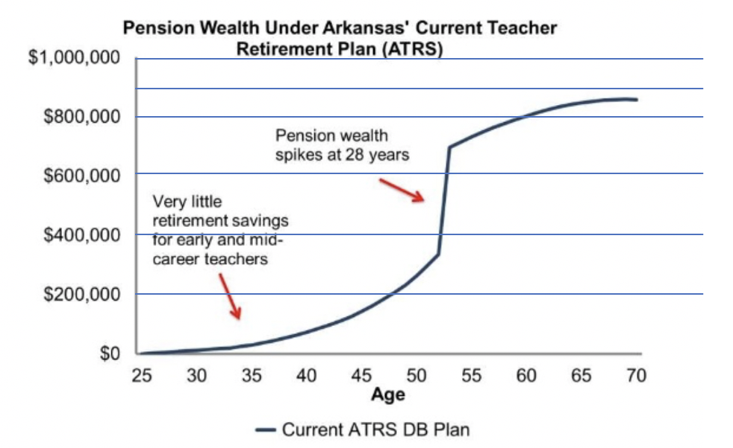
Normal Retirement Rule of |  | 80 | 40 | 15 | 0.00% |  | #REF! | #REF! | #REF! | #REF! | #REF! | #REF! | #REF! | #REF! | #REF! | #REF! | #REF! | #REF! | #REF! | #REF! | #REF! | #REF! | #REF! | #REF!
Normal Retirement Rule Min Age |  | 65 | 41 | 16 | 0.00% |  | #REF! | #REF! | #REF! | #REF! | #REF! | #REF! | #REF! | #REF! | #REF! | #REF! | #REF! | #REF! | #REF! | #REF! | #REF! | #REF! | #REF! | #REF!
Starting Salary | StartingSalary | $26,403 | 42 | 17 | 0.00% |  | #REF! | #REF! | #REF! | #REF! | #REF! | #REF! | #REF! | #REF! | #REF! | #REF! | #REF! | #REF! | #REF! | #REF! | #REF! | #REF! | #REF! | #REF!
Final Average Salary (years) | FinAvgSalaryYears | 5 | 43 | 18 | 0.00% |  | #REF! | #REF! | #REF! | #REF! | #REF! | #REF! | #REF! | #REF! | #REF! | #REF! | #REF! | #REF! | #REF! | #REF! | #REF! | #REF! | #REF! | #REF!
Credited Interest | Interest | 4.00% | 44 | 19 | 0.00% |  | #REF! | #REF! | #REF! | #REF! | #REF! | #REF! | #REF! | #REF! | #REF! | #REF! | #REF! | #REF! | #REF! | #REF! | #REF! | #REF! | #REF! | #REF!
EE Contribution Rate | EE_Contrib | 10.70% | 45 | 20 | 0.00% |  | #REF! | #REF! | #REF! | #REF! | #REF! | #REF! | #REF! | #REF! | #REF! | #REF! | #REF! | #REF! | #REF! | #REF! | #REF! | #REF! | #REF! | #REF!
ER Contribution Rate | ER_Contrib | 14.15% | 46 | 21 | 0.00% |  | #REF! | #REF! | #REF! | #REF! | #REF! | #REF! | #REF! | #REF! | #REF! | #REF! | #REF! | #REF! | #REF! | #REF! | #REF! | #REF! | #REF! | #REF!
Graded Multiplier | GradMult | 1.00 | 47 | 22 | 0.00% |  | #REF! | #REF! | #REF! | #REF! | #REF! | #REF! | #REF! | #REF! | #REF! | #REF! | #REF! | #REF! | #REF! | #REF! | #REF! | #REF! | #REF! | #REF!
Benefit Multiplier 1-10 years | BenMult1 | 1.35% | 48 | 23 | 0.00% |  | #REF! | #REF! | #REF! | #REF! | #REF! | #REF! | #REF! | #REF! | #REF! | #REF! | #REF! | #REF! | #REF! | #REF! | #REF! | #REF! | #REF! | #REF!
Benefit Multiplier 11-20 | BenMult2 | 2.35% | 49 | 24 | 0.00% |  | #REF! | #REF! | #REF! | #REF! | #REF! | #REF! | #REF! | #REF! | #REF! | #REF! | #REF! | #REF! | #REF! | #REF! | #REF! | #REF! | #REF! | #REF!
Benefit Multiplier 21-30 | BenMult3 | 3.35% | 50 | 25 | 0.00% |  | #REF! | #REF! | #REF! | #REF! | #REF! | #REF! | #REF! | #REF! | #REF! | #REF! | #REF! | #REF! | #REF! | #REF! | #REF! | #REF! | #REF! | #REF!
 | DC Accumulated Benefit (6.5% Return) | DB Accumulated Benefit | DC Accumulated Benefit (5.5% Return) | DC Accumulated Benefit (4.5% Return)
25 | 0 | 1 | 0 | 0
26 | 0 |  | 0 | 0
27 | 0 |  | 0 | 0
28 | 0 |  | 0 | 0
29 | 0 |  | 0 | 0
30 | 0 |  | 0 | 0
31 | 0 |  | 0 | 0
32 | 0 |  | 0 | 0
33 | 0 |  | 0 | 0
34 | 0 |  | 0 | 0
35 | 0 |  | 0 | 0
36 | 0 |  | 0 | 0
37 | 0 |  | 0 | 0
38 | 0 |  | 0 | 0
39 | 0 |  | 0 | 0
40 | 0 |  | 0 | 0
41 | 0 |  | 0 | 0
42 | 0 |  | 0 | 0
43 | 0 |  | 0 | 0
44 | 0 |  | 0 | 0
45 | 0 |  | 0 | 0
46 | 0 |  | 0 | 0
47 | 0 |  | 0 | 0
48 | 0 |  | 0 | 0
49 | 0 |  | 0 | 0
50 | 0 |  | 0 | 0
51 | 0 |  | 0 | 0
52 | 0 |  | 0 | 0
53 | 0 |  | 0 | 0
54 | 0 |  | 0 | 0
55 | 0 |  | 0 | 0
56 | 0 |  | 0 | 0
57 | 0 |  | 0 | 0
58 | 0 |  | 0 | 0
59 | 0 |  | 0 | 0
60 | 0 |  | 0 | 0
61 | 0 |  | 0 | 0
62 | 0 |  | 0 | 0
63 | 0 |  | 0 | 0
64 | 0 |  | 0 | 0
65 | 0 |  | 0 | 0
66 | 0 |  | 0 | 0
67 | 0 |  | 0 | 0
68 | 0 |  | 0 | 0
69 | 0 |  | 0 | 0
70 | 0 |  | 0 | 0
71 | 0 |  | 0 | 0
72 | 0 |  | 0 | 0
73 | 0 |  | 0 | 0
74 | 0 |  | 0 | 0
...
Benefit Multiplier 30+ | BenMult4 | 2.40% | 51 | 26 | 0.00% |  | #REF! | #REF! | #REF! | #REF! | #REF! | #REF! | #REF! | #REF! | #REF! | #REF! | #REF! | #REF! | #REF! | #REF! | #REF! | #REF! | #REF! | #REF!
Benefit Multiplier (non-contributory) |  |  | 52 | 27 | 0.00% |  | #REF! | #REF! | #REF! | #REF! | #REF! | #REF! | #REF! | #REF! | #REF! | #REF! | #REF! | #REF! | #REF! | #REF! | #REF! | #REF! | #REF! | #REF!
Addition to the Annuity (with 10 YOS) |  |  | 53 | 28 | 0.00% |  | #REF! | #REF! | #REF! | #REF! | #REF! | #REF! | #REF! | #REF! | #REF! | #REF! | #REF! | #REF! | #REF! | #REF! | #REF! | #REF! | #REF! | #REF!
COLA | COLA | 1.80% | 54 | 29 | 0.00% |  | #REF! | #REF! | #REF! | #REF! | #REF! | #REF! | #REF! | #REF! | #REF! | #REF! | #REF! | #REF! | #REF! | #REF! | #REF! | #REF! | #REF! | #REF!
COLA Compounds (1=Yes) | COLACompound | 1 | 55 | 30 | 0.00% |  | #REF! | #REF! | #REF! | #REF! | #REF! | #REF! | #REF! | #REF! | #REF! | #REF! | #REF! | #REF! | #REF! | #REF! | #REF! | #REF! | #REF! | #REF!
IRS Compensation Limit | IRSCompLimit | $280,000 | 56 | 31 | 0.00% |  | #REF! | #REF! | #REF! | #REF! | #REF! | #REF! | #REF! | #REF! | #REF! | #REF! | #REF! | #REF! | #REF! | #REF! | #REF! | #REF! | #REF! | #REF!
Enhanced Refund ER Match (5 YOS) | EnhER5 | 0.00% | 57 | 32 | 0.00% |  | #REF! | #REF! | #REF! | #REF! | #REF! | #REF! | #REF! | #REF! | #REF! | #REF! | #REF! | #REF! | #REF! | #REF! | #REF! | #REF! | #REF! | #REF!
Enhanced Refund ER Match (6-10 YOS) | EnhER610 | 0.00% | 58 | 33 | 0.00% |  | #REF! | #REF! | #REF! | #REF! | #REF! | #REF! | #REF! | #REF! | #REF! | #REF! | #REF! | #REF! | #REF! | #REF! | #REF! | #REF! | #REF! | #REF!
Enhanced Refund ER Match (>10 YOS) | EnhERGreater10 | 100.00% | 59 | 34 | 0.00% |  | #REF! | #REF! | #REF! | #REF! | #REF! | #REF! | #REF! | #REF! | #REF! | #REF! | #REF! | #REF! | #REF! | #REF! | #REF! | #REF! | #REF! | #REF!
Annual Age Reduction |  |  | 60 | 35 | 0.00% |  | #REF! | #REF! | #REF! | #REF! | #REF! | #REF! | #REF! | #REF! | #REF! | #REF! | #REF! | #REF! | #REF! | #REF! | #REF! | #REF! | #REF! | #REF!
Annual YOS Reduction |  |  | 61 | 36 | 0.00% |  | #REF! | #REF! | #REF! | #REF! | #REF! | #REF! | #REF! | #REF! | #REF! | #REF! | #REF! | #REF! | #REF! | #REF! | #REF! | #REF! | #REF! | #REF!
Rule of Age + YOS |  |  | 62 | 37 | 0.00% |  | #REF! | #REF! | #REF! | #REF! | #REF! | #REF! | #REF! | #REF! | #REF! | #REF! | #REF! | #REF! | #REF! | #REF! | #REF! | #REF! | #REF! | #REF!
Benefit Tier |  | Tier 4 | 63 | 38 | 0.00% |  | #REF! | #REF! | #REF! | #REF! | #REF! | #REF! | #REF! | #REF! | #REF! | #REF! | #REF! | #REF! | #REF! | #REF! | #REF! | #REF! | #REF! | #REF!
DC Plan |  |  | 64 | 39 | 0.00% |  | #REF! | #REF! | #REF! | #REF! | #REF! | #REF! | #REF! | #REF! | #REF! | #REF! | #REF! | #REF! | #REF! | #REF! | #REF! | #REF! | #REF! | #REF!
EE Contribution |  | 6.00% | 65 | 40 | 0.00% |  | #REF! | #REF! | #REF! | #REF! | #REF! | #REF! | #REF! | #REF! | #REF! | #REF! | #REF! | #REF! | #REF! | #REF! | #REF! | #REF! | #REF! | #REF!
ER Contribution |  | 9.00% | 66 | 41 | 0.00% |  | #REF! | #REF! | #REF! | #REF! | #REF! | #REF! | #REF! | #REF! | #REF! | #REF! | #REF! | #REF! | #REF! | #REF! | #REF! | #REF! | #REF! | #REF!
DC Vesting (years) |  |  | 67 | 42 | 0.00% |  | #REF! | #REF! | #REF! | #REF! | #REF! | #REF! | #REF! | #REF! | #REF! | #REF! | #REF! | #REF! | #REF! | #REF! | #REF! | #REF! | #REF! | #REF!
Optimistic Return Scenario |  | 6.00% | 68 | 43 | 0.00% |  | #REF! | #REF! | #REF! | #REF! | #REF! | #REF! | #REF! | #REF! | #REF! | #REF! | #REF! | #REF! | #REF! | #REF! | #REF! | #REF! | #REF! | #REF!
Medium Return Scenario |  | 5.00% | 69 | 44 | 0.00% |  | #REF! | #REF! | #REF! | #REF! | #REF! | #REF! | #REF! | #REF! | #REF! | #REF! | #REF! | #REF! | #REF! | #REF! | #REF! | #REF! | #REF! | #REF!
Pessimistic Return Scenario |  | 4.00% | 70 | 45 | 0.00% |  | #REF! | #REF! | #REF! | #REF! | #REF! | #REF! | #REF! | #REF! | #REF! | #REF! | #REF! | #REF! | #REF! | #REF! | #REF! | #REF! | #REF! | #REF!
2019 Membership |  |  | 71 | 46 | 0.00% |  | #REF! | #REF! | #REF! | #REF! | #REF! | #REF! | #REF! | #REF! | #REF! | #REF! | #REF! | #REF! | #REF! | #REF! | #REF! | #REF! | #REF! | #REF!
Valuation Payroll |  |  | 72 | 47 | 0.00% |  | #REF! | #REF! | #REF! | #REF! | #REF! | #REF! | #REF! | #REF! | #REF! | #REF! | #REF! | #REF! | #REF! | #REF! | #REF! | #REF! | #REF! | #REF!
Age 20-24 & 0-4 YOS |  | 38,323,950 | 73 | 48 | 0.00% |  | #REF! | #REF! | #REF! | #REF! | #REF! | #REF! | #REF! | #REF! | #REF! | #REF! | #REF! | #REF! | #REF! | #REF! | #REF! | #REF! | #REF! | #REF!
Age 25-29 & 0-4 YOS |  | 119,293,841 | 74 | 49 | 0.00% |  | #REF! | #REF! | #REF! | #REF! | #REF! | #REF! | #REF! | #REF! | #REF! | #REF! | #REF! | #REF! | #REF! | #REF! | #REF! | #REF! | #REF! | #REF!
No. of Active Members Total |  |  | 75 | 50 | 0.00% |  | #REF! | #REF! | #REF! | #REF! | #REF! | #REF! | #REF! | #REF! | #REF! | #REF! | #REF! | #REF! | #REF! | #REF! | #REF! | #REF! | #REF! | #REF!
Age 20-24 & 0-4 YOS |  | 1,705 | 76 | 51 | 0.00% |  | #REF! | #REF! | #REF! | #REF! | #REF! | #REF! | #REF! | #REF! | #REF! | #REF! | #REF! | #REF! | #REF! | #REF! | #REF! | #REF! | #REF! | #REF!
Age 20-24 & 5-9 YOS |  | 16 | 77 | 52 | 0.00% |  | #REF! | #REF! | #REF! | #REF! | #REF! | #REF! | #REF! | #REF! | #REF! | #REF! | #REF! | #REF! | #REF! | #REF! | #REF! | #REF! | #REF! | #REF!
Age 25-29 & 0-4 YOS |  | 3,655 | 78 | 53 | 0.00% |  | #REF! | #REF! | #REF! | #REF! | #REF! | #REF! | #REF! | #REF! | #REF! | #REF! | #REF! | #REF! | #REF! | #REF! | #REF! | #REF! | #REF! | #REF!
Age 25-29 & 5-9 YOS |  | 562 | 79 | 54 | 0.00% |  | #REF! | #REF! | #REF! | #REF! | #REF! | #REF! | #REF! | #REF! | #REF! | #REF! | #REF! | #REF! | #REF! | #REF! | #REF! | #REF! | #REF! | #REF!
Age 25-29 & 10-14 YOS |  | 6 | 80 | 55 | 0.00% |  | #REF! | #REF! | #REF! | #REF! | #REF! | #REF! | #REF! | #REF! | #REF! | #REF! | #REF! | #REF! | #REF! | #REF! | #REF! | #REF! | #REF! | #REF!
 |  | Average Arkasnas salary for new teachers (2019-20) | 81 | 56 | 0.00% |  | #REF! | #REF! | #REF! | #REF! | #REF! | #REF! | #REF! | #REF! | #REF! | #REF! | #REF! | #REF! | #REF! | #REF! | #REF! | #REF! | #REF! | #REF!
0YOS (Bachelors) |  |  | 82 | 57 | 0.00% |  | #REF! | #REF! | #REF! | #REF! | #REF! | #REF! | #REF! | #REF! | #REF! | #REF! | #REF! | #REF! | #REF! | #REF! | #REF! | #REF! | #REF! | #REF!
15YOS (Bachelors) |  |  | 83 | 58 | 0.00% |  | #REF! | #REF! | #REF! | #REF! | #REF! | #REF! | #REF! | #REF! | #REF! | #REF! | #REF! | #REF! | #REF! | #REF! | #REF! | #REF! | #REF! | #REF!
0YOS (Masters) |  |  | 84 | 59 | 0.00% |  | #REF! | #REF! | #REF! | #REF! | #REF! | #REF! | #REF! | #REF! | #REF! | #REF! | #REF! | #REF! | #REF! | #REF! | #REF! | #REF! | #REF! | #REF!
15YOS (Masters) |  |  | 85 | 60 | 0.00% |  | #REF! | #REF! | #REF! | #REF! | #REF! | #REF! | #REF! | #REF! | #REF! | #REF! | #REF! | #REF! | #REF! | #REF! | #REF! | #REF! | #REF! | #REF!
Updated Entry Salary to Master's Degree |  |  | 86 | 61 | 0.00% |  | #REF! | #REF! | #REF! | #REF! | #REF! | #REF! | #REF! | #REF! | #REF! | #REF! | #REF! | #REF! | #REF! | #REF! | #REF! | #REF! | #REF! | #REF!
Updated to Compound COLA |  |  | 87 | 62 | 0.00% |  | #REF! | #REF! | #REF! | #REF! | #REF! | #REF! | #REF! | #REF! | #REF! | #REF! | #REF! | #REF! | #REF! | #REF! | #REF! | #REF! | #REF! | #REF!
Updated with 25-28YOS Replacement rates |  |  | 88 | 63 | 0.00% |  | #REF! | #REF! | #REF! | #REF! | #REF! | #REF! | #REF! | #REF! | #REF! | #REF! | #REF! | #REF! | #REF! | #REF! | #REF! | #REF! | #REF! | #REF!
Mortality Rate Scale Multiple | ScaleMultiple | 0.95 | 89 | 64 | 0.00% |  | #REF! | #REF! | #REF! | #REF! | #REF! | #REF! | #REF! | #REF! | #REF! | #REF! | #REF! | #REF! | #REF! | #REF! | #REF! | #REF! | #REF! | #REF!
Mortality Rate Set Back (year) | SetBackYear | 1 | 90 | 65 | 0.00% |  | #REF! | #REF! | #REF! | #REF! | #REF! | #REF! | #REF! | #REF! | #REF! | #REF! | #REF! | #REF! | #REF! | #REF! | #REF! | #REF! | #REF! | #REF!
 |  |  | 91 | 66 | 0.00% |  | #REF! | #REF! | #REF! | #REF! | #REF! | #REF! | #REF! | #REF! | #REF! | #REF! | #REF! | #REF! | #REF! | #REF! | #REF! | #REF! | #REF! | #REF!
 |  |  | 92 | 67 | 0.00% |  | #REF! | #REF! | #REF! | #REF! | #REF! | #REF! | #REF! | #REF! | #REF! | #REF! | #REF! | #REF! | #REF! | #REF! | #REF! | #REF! | #REF! | #REF!
 |  |  | 93 | 68 | 0.00% |  | #REF! | #REF! | #REF! | #REF! | #REF! | #REF! | #REF! | #REF! | #REF! | #REF! | #REF! | #REF! | #REF! | #REF! | #REF! | #REF! | #REF! | #REF!
 |  |  | 94 | 69 | 0.00% |  | #REF! | #REF! | #REF! | #REF! | #REF! | #REF! | #REF! | #REF! | #REF! | #REF! | #REF! | #REF! | #REF! | #REF! | #REF! | #REF! | #REF! | #REF!
 |  |  | 95 | 70 | 0.00% |  | #REF! | #REF! | #REF! | #REF! | #REF! | #REF! | #REF! | #REF! | #REF! | #REF! | #REF! | #REF! | #REF! | #REF! | #REF! | #REF! | #REF! | #REF!
 |  |  | 96 | 71 | 0.00% |  | #REF! | #REF! | #REF! | #REF! | #REF! | #REF! | #REF! | #REF! | #REF! | #REF! | #REF! | #REF! | #REF! | #REF! | #REF! | #REF! | #REF! | #REF!
 |  |  | 97 | 72 | 0.00% |  | #REF! | #REF! | #REF! | #REF! | #REF! | #REF! | #REF! | #REF! | #REF! | #REF! | #REF! | #REF! | #REF! | #REF! | #REF! | #REF! | #REF! | #REF!
 |  |  | 98 | 73 | 0.00% |  | #REF! | #REF! | #REF! | #REF! | #REF! | #REF! | #REF! | #REF! | #REF! | #REF! | #REF! | #REF! | #REF! | #REF! | #REF! | #REF! | #REF! | #REF!
 |  |  | 99 | 74 | 0.00% |  | #REF! | #REF! | #REF! | #REF! | #REF! | #REF! | #REF! | #REF! | #REF! | #REF! | #REF! | #REF! | #REF! | #REF! | #REF! | #REF! | #REF! | #REF!
 |  |  | 100 | 75 | 0.00% |  | #REF! | #REF! | #REF! | #REF! | #REF! | #REF! | #REF! | #REF! | #REF! | #REF! | #REF! | #REF! | #REF! | #REF! | #REF! | #REF! | #REF! | #REF!
 |  |  | 101 | 76 | 0.00% |  | #REF! | #REF! | #REF! | #REF! | #REF! | #REF! | #REF! | #REF! | #REF! | #REF! | #REF! | #REF! | #REF! | #REF! | #REF! | #REF! | #REF! | #REF!
 |  |  | 102 | 77 | 0.00% |  | #REF! | #REF! | #REF! | #REF! | #REF! | #REF! | #REF! | #REF! | #REF! | #REF! | #REF! | #REF! | #REF! | #REF! | #REF! | #REF! | #REF! | #REF!
 |  |  | 103 | 78 | 0.00% |  | #REF! | #REF! | #REF! | #REF! | #REF! | #REF! | #REF! | #REF! | #REF! | #REF! | #REF! | #REF! | #REF! | #REF! | #REF! | #REF! | #REF! | #REF!
 |  |  | 104 | 79 | 0.00%
 |  |  | 105 | 80 | 0.00%
 |  |  | 106 | 81 | 0.00%
 |  |  | 107 | 82 | 0.00%
 |  |  | 108 | 83 | 0.00%
 |  |  | 109 | 84 | 0.00%
 |  |  | 110 | 85 | 0.00%
 |  |  | 111 | 86 | 0.00%
 |  |  | 112 | 87 | 0.00%
 |  |  | 113 | 88 | 0.00%
 |  |  | 114 | 89 | 0.00%
 |  |  | 115 | 90 | 0.00%
 |  |  | 116 | 91 | 0.00%
 |  |  | 117 | 92 | 0.00%
 |  |  | 118 | 93 | 0.00%
 |  |  | 119 | 94 | 0.00%
 |  |  | 120 | 95 | 0.00%

